Login
Feature | Login
Test requirement | Login
Number of TCs | 20
Testing Round | Passed | Failed | Pending | N/A
Round 1 | 20 | 0 |  | 0
Round 2 | 20 | 0 |  | 0
Round 3 | 20 | 0 |  | 0

Test Case ID | Test Case Description | Test Case Procedure | Expected Results | Pre-conditions | Round 1 | Test date | Tester | Round 2 | Test date | Tester | Round 3 | Test date | Tester | Note
L1 | Check default UI of Login | 1. Navigate to Login screen 2. Check default UI of Login scre | 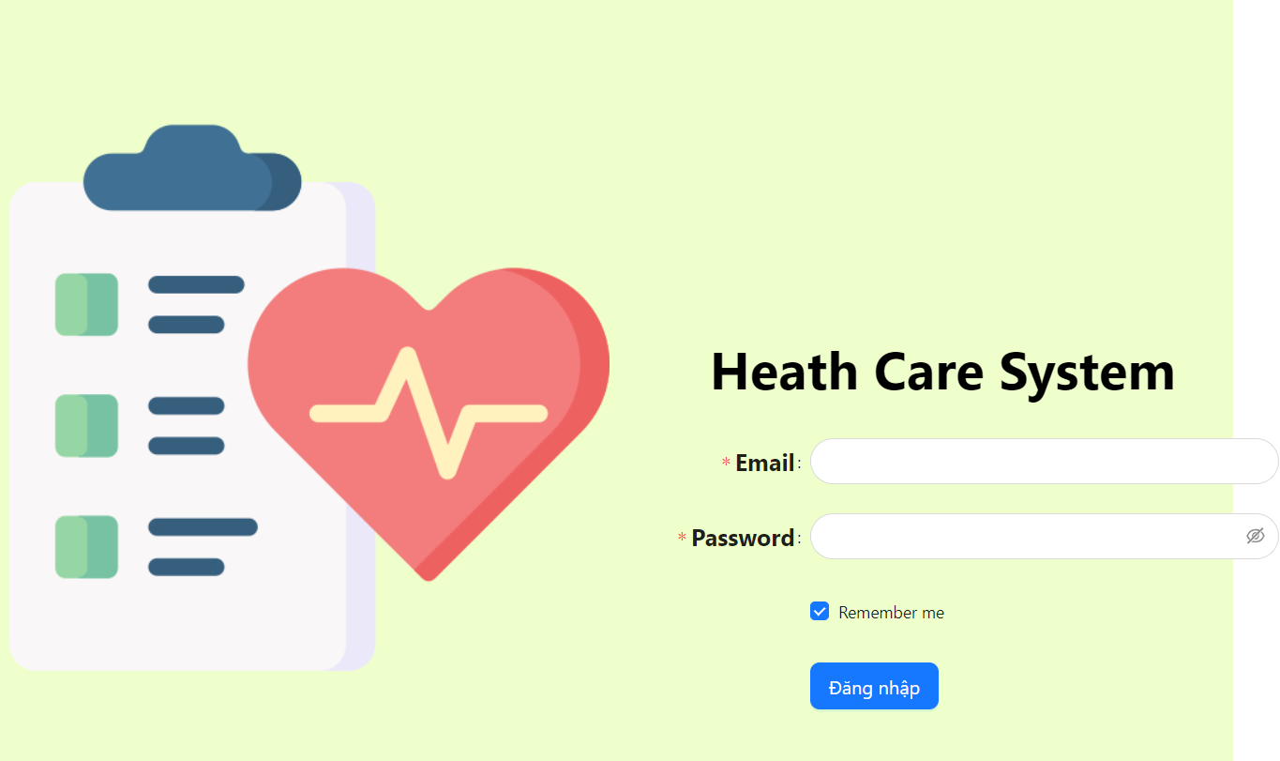 Default UI of Login screen is displayed as below: |  | Passed | 2023-11-25 | KienBT | Passed | 31/11/2023 | KienBT | Passed | 2024-01-15 | KienBT
L2 | Check font size, color of text on the screen | 1. Check font size, color of text on the screen | Font size, color of text is displayed as prototy |  | Passed | 2023-11-25 | KienBT | Passed | 31/11/2023 | KienBT | Passed | 2024-01-15 | KienBT
L3 | Check behavior of system when pressing "Tab" | 1. Focus mouse on the first text box 2. Press "Tab" on keyboard | The point is moved from left to right, from up to down on each item |  | Passed | 2023-11-25 | KienBT | Passed | 31/11/2023 | KienBT | Passed | 2024-01-15 | KienBT
L4 | Check behavior of system when pressing "Shift + Tab" | 1. Focus mouse on the first text box 2. Press "Shift + Tab" on keyboard | The point is moved from left to right, from up to down on each item |  | Passed | 2023-11-25 | KienBT | Passed | 31/11/2023 | KienBT | Passed | 2024-01-15 | KienBT
L5 | Check display "Email" field | 1. Navigate to Login screen 2. Check display "Email" field | Textbox are display data blank |  | Passed | 2023-11-25 | KienBT | Passed | 31/11/2023 | KienBT | Passed | 2024-01-15 | KienBT
L6 | Check display "Password" field | 1. Navigate to Login screen 2. Check display "Password" field | Textbox are display data blank |  | Passed | 2023-11-25 | KienBT | Passed | 31/11/2023 | KienBT | Passed | 2024-01-15 | KienBT
L7 | Check when click on "Show password" icon | 1. Navigate to Login screen 2. Enter password in password field 3. Click on "Show password" icon | Show password |  | Passed | 2023-11-25 | KienBT | Passed | 31/11/2023 | KienBT | Passed | 2024-01-15 | KienBT
L8 | Check display "Time Remaining" field | 1. Navigate to Login screen 2. Enter password in password field 3. Click on "Show password" icon 4. Click on "Hide password" icon | Hide password |  | Passed | 2023-11-25 | KienBT | Passed | 31/11/2023 | KienBT | Passed | 2024-01-15 | KienBT
L9 | Check when click on "Remember me" box | 1. Navigate to Login screen 2. Enter password in password field 3. Click on "Remember me" box 4. Click on "Remember me" box again | Show and hide traces |  | Passed | 2023-11-25 | KienBT | Passed | 31/11/2023 | KienBT | Passed | 2024-01-15 | KienBT
L10 | Check when entering invalid email | 1. Navigate to Login screen 2. Enter an invalid email (test.com) | Show error message:"The input is not valid Email!" |  | Passed | 2023-11-25 | KienBT | Passed | 31/11/2023 | KienBT | Passed | 2024-01-15 | KienBT
L11 | Check when leaving the Email field blank | 1. Navigate to Login screen 2.Enter some characters into the email field and then delete it to leave it blank | Show error message:"Please input your email!" |  | Passed | 2023-11-25 | KienBT | Passed | 31/11/2023 | KienBT | Passed | 2024-01-15 | KienBT
L12 | Check when leaving the Password field blank | 1. Navigate to Login screen 2.Enter some characters into the password field and then delete it to leave it blank | Show error message:"Please input your password!" |  | Passed | 2023-11-25 | KienBT | Passed | 31/11/2023 | KienBT | Passed | 2024-01-15 | KienBT
L13 | Check when login with an email that does not exist in the database | 1. Navigate to Login screen 2. Enter a valid email that does not exist in the database 3. Enter password 4. Click on Login button | Show error message: "Đăng nhập thất bại" |  | Passed | 2023-11-25 | KienBT | Passed | 31/11/2023 | KienBT | Passed | 2024-01-15 | KienBT
L14 | Check when login with a valid email in the database but the wrong password | 1. Navigate to Login screen 2. Enter a valid email that exist in the database 3. Enter wrong password 4. Click on Login button | Show error message: "Đăng nhập thất bại" |  | Passed | 2023-11-25 | KienBT | Passed | 31/11/2023 | KienBT | Passed | 2024-01-15 | KienBT
L15 | Check when login with a valid email and password that exist in the database | 1. Navigate to Login screen 2. Enter a valid email that does not exist in the database 3. Enter password of that email 4. Click on Login button | Show message: "Đăng nhập thành công" and redirect to the page depending on the logged in email role |  | Passed | 2023-11-25 | KienBT | Passed | 31/11/2023 | KienBT | Passed | 2024-01-15 | KienBT
L16 | Check when login to an account whose role is admin | 1. Navigate to Login screen 2. Enter email and password of account with admin role 3. Click on Login button | Show error message: "Đăng nhập thành công" and redirect to the admin page |  | Passed | 2023-11-25 | KienBT | Passed | 31/11/2023 | KienBT | Passed | 2024-01-15 | KienBT
L17 | Check when login to an account whose role is doctor | 1. Navigate to Login screen 2. Enter email and password of account with doctor role 3. Click on Login button | Show error message: "Đăng nhập thành công" and redirect to the doctor page |  | Passed | 2023-11-25 | KienBT | Passed | 31/11/2023 | KienBT | Passed | 2024-01-15 | KienBT
L18 | Check when login to an account whose role is nurse | 1. Navigate to Login screen 2. Enter email and password of account with nurse role 3. Click on Login button | Show error message: "Đăng nhập thành công" and redirect to the nurse page |  | Passed | 2023-11-25 | KienBT | Passed | 31/11/2023 | KienBT | Passed | 2024-01-15 | KienBT
L19 | Check when login to an account whose role is cashier | 1. Navigate to Login screen 2. Enter email and password of account with cashier role 3. Click on Login button | Show error message: "Đăng nhập thành công" and redirect to the cashier page |  | Passed | 2023-11-25 | KienBT | Passed | 31/11/2023 | KienBT | Passed | 2024-01-15 | KienBT
L20 | Check when accessing the login page after selecting the remember me box from the previous login | 1. Navigate to Login screen 2. Login with an account that exist in database 3. Click on log out button in the upper left corner of the screen | The email and password fields still display information entered from the previous login |  | Passed | 2023-11-25 | KienBT | Passed | 31/11/2023 | KienBT | Passed | 2024-01-15 | KienBT

Add Patient
Feature | Add Patient
Test requirement | Add Patient
Number of TCs | 41
Testing Round | Passed | Failed | Pending | N/A
Round 1 | 41 | 0 |  | 0
Round 2 | 41 | 0 |  | 0
Round 3 | 41 | 0 |  | 0

Test Case ID | Test Case Description | Test Case Procedure | Expected Results | Pre-conditions | Round 1 | Test date | Tester | Round 2 | Test date | Tester | Round 3 | Test date | Tester | Note
Check UI
AP1 | Check default UI of Add Patient | 1. Login successfully with nurse account 2. Click on "Thêm mới bệnh nhân" button 3. Check default UI of Thêm mới bệnh nhân screen | 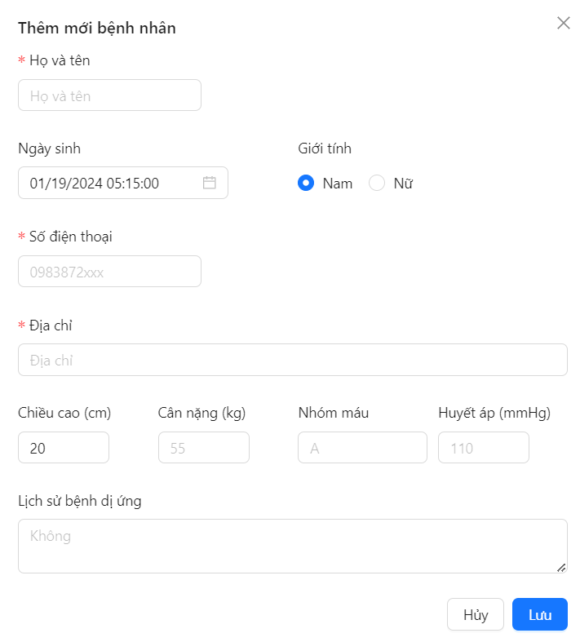 Default UI of Add Patient is displayed as below: |  | Passed | 2023-11-25 | KienBT | Passed | 31/11/2023 | KienBT | Passed | 2024-01-15 | KienBT
AP2 | Check font size, color of text on the screen | 1. Check font size, color of text on the screen | Font size, color of text is displayed as prototy |  | Passed | 2023-11-25 | KienBT | Passed | 31/11/2023 | KienBT | Passed | 2024-01-15 | KienBT
AP3 | Check behavior of system when pressing "Tab" | 1. Focus mouse on the first text box 2. Press "Tab" on keyboard | The point is moved from left to right, from up to down on each item |  | Passed | 2023-11-25 | KienBT | Passed | 31/11/2023 | KienBT | Passed | 2024-01-15 | KienBT
AP4 | Check behavior of system when pressing "Shift + Tab" | 1. Focus mouse on the first text box 2. Press "Shift + Tab" on keyboard | The point is moved from left to right, from up to down on each item |  | Passed | 2023-11-25 | KienBT | Passed | 31/11/2023 | KienBT | Passed | 2024-01-15 | KienBT
AP5 | Check display default "Họ và tên" field | 1. Login successfully with nurse account 2. Click on "Thêm mới bệnh nhân" button 3. Check display "Họ và tên" field | Textbox are display data blank |  | Passed | 2023-11-25 | KienBT | Passed | 31/11/2023 | KienBT | Passed | 2024-01-15 | KienBT
AP6 | Check when leaving the "Họ và tên" field blank | 1. Login successfully with nurse account 2. Click on "Thêm mới bệnh nhân" button 3.Enter some characters into the "Họ và tên" field and then delete it to leave it blank | Show error message:"Vui lòng nhập họ và tên của bạn" |  | Passed | 2023-11-25 | KienBT | Passed | 31/11/2023 | KienBT | Passed | 2024-01-15 | KienBT
AP7 | Check display default "Số điện thoại" field | 1. Login successfully with nurse account 2. Click on "Thêm mới bệnh nhân" button 3. Check display "Số điện thoại" field | Textbox are display data blank |  | Passed | 2023-11-25 | KienBT | Passed | 31/11/2023 | KienBT | Passed | 2024-01-15 | KienBT
AP8 | Check when leaving the "Số điện thoại" field blank | 1. Login successfully with nurse account 2. Click on "Thêm mới bệnh nhân" button 3. Enter some characters into the "Số điện thoại" field and then delete it to leave it blank | Show error message:"Vui lòng nhập số điện thoại" |  | Passed | 2023-11-25 | KienBT | Passed | 31/11/2023 | KienBT | Passed | 2024-01-15 | KienBT
AP9 | Check when enter invalid data in "Số điện thoại" field | 1. Login successfully with nurse account 2. Click on "Thêm mới bệnh nhân" button 3. Enter phone number have 11 numbers in "Số điện thoại" field | Show error message:"Vui lòng nhập số điện thoại hợp lệ" |  | Passed | 2023-11-25 | KienBT | Passed | 31/11/2023 | KienBT | Passed | 2024-01-15 | KienBT
AP10 | Check when leaving the "Địa chỉ" field blank | 1. Login successfully with nurse account 2. Click on "Thêm mới bệnh nhân" button 3. Enter some characters into the "Địa chỉ" field and then delete it to leave it blank | Show error message:"Hãy nhập địa chỉ" |  | Passed | 2023-11-25 | KienBT | Passed | 31/11/2023 | KienBT | Passed | 2024-01-15 | KienBT
AP11 | Check display default "Địa chỉ" field | 1. Login successfully with nurse account 2. Click on "Thêm mới bệnh nhân" button 3. Check display "Địa chỉ" field | Textbox are display data blank |  | Passed | 2023-11-25 | KienBT | Passed | 31/11/2023 | KienBT | Passed | 2024-01-15 | KienBT
AP12 | Check display default "Lịch sử bệnh dị ứng" field | 1. Login successfully with nurse account 2. Click on "Thêm mới bệnh nhân" button 3. Check display "Lịch sử bệnh dị ứng" field | Textbox are display data blank |  | Passed | 2023-11-25 | KienBT | Passed | 31/11/2023 | KienBT | Passed | 2024-01-15 | KienBT
AP13 | Check when click on the calendar icon to select the date of birth | 1. Login successfully with nurse account 2. Click on "Thêm mới bệnh nhân" button 3. Click on the calendar Icon | Display a calendar for users to conveniently select dates |  | Passed | 2023-11-25 | KienBT | Passed | 31/11/2023 | KienBT | Passed | 2024-01-15 | KienBT
AP14 | check when enter letters in "Số điện thoại" field | 1. Login successfully with nurse account 2. Click on "Thêm mới bệnh nhân" button 3. Enter letters in the "Số điện thoại" field | Show error message:"Vui lòng nhập số điện thoại hợp lệ" |  | Passed | 2023-11-25 | KienBT | Passed | 31/11/2023 | KienBT | Passed | 2024-01-15 | KienBT
AP15 | Check when enter a space in a valid phone number | 1. Login successfully with nurse account 2. Click on "Thêm mới bệnh nhân" button 3. Enter a space in a valid phone number | Show error message:"Vui lòng nhập số điện thoại hợp lệ" |  | Passed | 2023-11-25 | KienBT | Passed | 31/11/2023 | KienBT | Passed | 2024-01-15 | KienBT
AP16 | Check when enter a special character in "Số điện thoại" field | 1. Login successfully with nurse account 2. Click on "Thêm mới bệnh nhân" button 3. Enter a special character in "Số điện thoại" field | Show error message:"Vui lòng nhập số điện thoại hợp lệ" |  | Passed | 2023-11-25 | KienBT | Passed | 31/11/2023 | KienBT | Passed | 2024-01-15 | KienBT
AP17 | Check input "Họ và tên" by paste data | 1. Login successfully with nurse account 2. Click on "Thêm mới bệnh nhân" button 3. Paste data to "Họ và tên" field | Data inputted succesfully |  | Passed | 2023-11-25 | KienBT | Passed | 31/11/2023 | KienBT | Passed | 2024-01-15 | KienBT
AP18 | Check input "Số điện thoại" by paste data | 1. Login successfully with nurse account 2. Click on "Thêm mới bệnh nhân" button 3. Paste data to "Số điện thoại" field | Data inputted succesfully |  | Passed | 2023-11-25 | KienBT | Passed | 31/11/2023 | KienBT | Passed | 2024-01-15 | KienBT
AP19 | Check input "Địa chỉ" by paste data | 1. Login successfully with nurse account 2. Click on "Thêm mới bệnh nhân" button 3. Paste data to "Địa chỉ" field | Data inputted succesfully |  | Passed | 2023-11-25 | KienBT | Passed | 31/11/2023 | KienBT | Passed | 2024-01-15 | KienBT
AP20 | Check input "Chiều cao" by paste data | 1. Login successfully with nurse account 2. Click on "Thêm mới bệnh nhân" button 3. Paste data to "Chiều cao" field | Data inputted succesfully |  | Passed | 2023-11-25 | KienBT | Passed | 31/11/2023 | KienBT | Passed | 2024-01-15 | KienBT
AP21 | Check input "Cân nặng" by paste data | 1. Login successfully with nurse account 2. Click on "Thêm mới bệnh nhân" button 3. Paste data to "Cân nặng" field | Data inputted succesfully |  | Passed | 2023-11-25 | KienBT | Passed | 31/11/2023 | KienBT | Passed | 2024-01-15 | KienBT
AP22 | Check input "Nhóm máu" by paste data | 1. Login successfully with nurse account 2. Click on "Thêm mới bệnh nhân" button 3. Paste data to "Nhóm máu" field | Data inputted succesfully |  | Passed | 2023-11-25 | KienBT | Passed | 31/11/2023 | KienBT | Passed | 2024-01-15 | KienBT
AP23 | Check input "Huyết áp" by paste data | 1. Login successfully with nurse account 2. Click on "Thêm mới bệnh nhân" button 3. Paste data to "Huyết áp" field | Data inputted succesfully |  | Passed | 2023-11-25 | KienBT | Passed | 31/11/2023 | KienBT | Passed | 2024-01-15 | KienBT
AP24 | Check input "Lịch sử bệnh dị ứng" by paste data | 1. Login successfully with nurse account 2. Click on "Thêm mới bệnh nhân" button 3. Paste data to "Lịch sử bệnh dị ứng" field | Data inputted succesfully |  | Passed | 2023-11-25 | KienBT | Passed | 31/11/2023 | KienBT | Passed | 2024-01-15 | KienBT
AP25 | Check when enter a negative number in "Chiều cao" field | 1. Login successfully with nurse account 2. Click on "Thêm mới bệnh nhân" button 3. Enter a negative number in "Chiều cao" field | The height measurement returns to the lowest number determined by convention as 20 |  | Passed | 2023-11-25 | KienBT | Passed | 31/11/2023 | KienBT | Passed | 2024-01-15 | KienBT |  | AP23 | Check input "Huyết áp" by paste data | Data inputted succesfully | Passed | 2023-11-25 | KienBT | Passed | 31/11/2023 | KienBT | Passed | 2024-01-15 | KienBT
AP26 | Check when enter a number less than 20 in "Chiều cao" field | 1. Login successfully with nurse account 2. Click on "Thêm mới bệnh nhân" button 3. Enter a number less than 20 in "Chiều cao" field | The height measurement returns to the lowest number determined by convention as 20 |  | Passed | 2023-11-25 | KienBT | Passed | 31/11/2023 | KienBT | Passed | 2024-01-15 | KienBT |  | AP24 | Check input "Lịch sử bệnh dị ứng" by paste data | Data inputted succesfully | Passed | 2023-11-25 | KienBT | Passed | 31/11/2023 | KienBT | Passed | 2024-01-15 | KienBT
AP27 | Check when enter a negative number in "Cân nặng" field | 1. Login successfully with nurse account 2. Click on "Thêm mới bệnh nhân" button 3. Enter a negative number in "Cân nặng" field | The weight measurement returns to 1 |  | Passed | 2023-11-25 | KienBT | Passed | 31/11/2023 | KienBT | Passed | 2024-01-15 | KienBT |  | AP23 | Check input "Huyết áp" by paste data | Data inputted succesfully | Passed | 2023-11-25 | KienBT | Passed | 31/11/2023 | KienBT | Passed | 2024-01-15 | KienBT
AP28 | Check when enter a negative number in "Huyết áp" field | 1. Login successfully with nurse account 2. Click on "Thêm mới bệnh nhân" button 3. Enter a negative number in "Huyết áp" field | The blood pressure measurements returns to 1 |  | Passed | 2023-11-25 | KienBT | Passed | 31/11/2023 | KienBT | Passed | 2024-01-15 | KienBT |  | AP24 | Check input "Lịch sử bệnh dị ứng" by paste data | Data inputted succesfully | Passed | 2023-11-25 | KienBT | Passed | 31/11/2023 | KienBT | Passed | 2024-01-15 | KienBT
AP29 | Check the gender radio button | 1. Login successfully with nurse account 2. Click on "Thêm mới bệnh nhân" button 3. Ckick on Female button 4. Click on Male button | Click on any radio button and that button will display a green dot |  | Passed | 2023-11-25 | KienBT | Passed | 31/11/2023 | KienBT | Passed | 2024-01-15 | KienBT |  | AP24 | Check input "Lịch sử bệnh dị ứng" by paste data | Data inputted succesfully | Passed | 2023-11-25 | KienBT | Passed | 31/11/2023 | KienBT | Passed | 2024-01-15 | KienBT
AP30 | Check when add new patient if leaving "Số điện thoại" field blank | 1. Login successfully with nurse account 2. Click on "Thêm mới bệnh nhân" button 3. Leave "Số điện thoại" field blank 4. Enter valid data into all other field 5. Click "Lưu" button | Show error message:"Thêm bệnh nhân thất bại" |  | Passed | 2023-11-25 | KienBT | Passed | 31/11/2023 | KienBT | Passed | 2024-01-15 | KienBT |  | AP24 | Check input "Lịch sử bệnh dị ứng" by paste data | Data inputted succesfully | Passed | 2023-11-25 | KienBT | Passed | 31/11/2023 | KienBT | Passed | 2024-01-15 | KienBT
AP31 | Check when add new patient if leaving "Họ và tên" field blank | 1. Login successfully with nurse account 2. Click on "Thêm mới bệnh nhân" button 3. Leave "Họ và tên" field blank 4. Enter valid data into all other field 5. Click "Lưu" button | Show error message:"Thêm bệnh nhân thất bại" |  | Passed | 2023-11-25 | KienBT | Passed | 31/11/2023 | KienBT | Passed | 2024-01-15 | KienBT |  | AP24 | Check input "Lịch sử bệnh dị ứng" by paste data | Data inputted succesfully | Passed | 2023-11-25 | KienBT | Passed | 31/11/2023 | KienBT | Passed | 2024-01-15 | KienBT
AP32 | Check when add new patient if leaving "Địa chỉ" field blank | 1. Login successfully with nurse account 2. Click on "Thêm mới bệnh nhân" button 3. Leave "Địa chỉ" field blank 4. Enter valid data into all other field 5. Click "Lưu" button | Show error message:"Thêm bệnh nhân thất bại" |  | Passed | 2023-11-25 | KienBT | Passed | 31/11/2023 | KienBT | Passed | 2024-01-15 | KienBT |  | AP24 | Check input "Lịch sử bệnh dị ứng" by paste data | Data inputted succesfully | Passed | 2023-11-25 | KienBT | Passed | 31/11/2023 | KienBT | Passed | 2024-01-15 | KienBT
AP33 | Check when add new patient if enter invalid data into "Số điện thoại" field | 1. Login successfully with nurse account 2. Click on "Thêm mới bệnh nhân" button 3. Enter invalid data into "Số điện thoại" field 4. Enter valid data into all other field 5. Click "Lưu" button | Show error message:"Thêm bệnh nhân thất bại" |  | Passed | 2023-11-25 | KienBT | Passed | 31/11/2023 | KienBT | Passed | 2024-01-15 | KienBT |  | AP24 | Check input "Lịch sử bệnh dị ứng" by paste data | Data inputted succesfully | Passed | 2023-11-25 | KienBT | Passed | 31/11/2023 | KienBT | Passed | 2024-01-15 | KienBT
AP34 | Check when add new patient if enter invalid data into "Họ và tên" field | 1. Login successfully with nurse account 2. Click on "Thêm mới bệnh nhân" button 3. Enter invalid data into "Họ và tên" field blank 4. Enter valid data into all other field 5. Click "Lưu" button | Show error message:"Thêm bệnh nhân thất bại" |  | Passed | 2023-11-25 | KienBT | Passed | 31/11/2023 | KienBT | Passed | 2024-01-15 | KienBT |  | AP24 | Check input "Lịch sử bệnh dị ứng" by paste data | Data inputted succesfully | Passed | 2023-11-25 | KienBT | Passed | 31/11/2023 | KienBT | Passed | 2024-01-15 | KienBT
AP35 | Check when add new patient if enter invalid data into "Địa chỉ" field | 1. Login successfully with nurse account 2. Click on "Thêm mới bệnh nhân" button 3. Enter invalid data into "Địa chỉ" field blank 4. Enter valid data into all other field 5. Click "Lưu" button | Show error message:"Thêm bệnh nhân thất bại" |  | Passed | 2023-11-25 | KienBT | Passed | 31/11/2023 | KienBT | Passed | 2024-01-15 | KienBT |  | AP24 | Check input "Lịch sử bệnh dị ứng" by paste data | Data inputted succesfully | Passed | 2023-11-25 | KienBT | Passed | 31/11/2023 | KienBT | Passed | 2024-01-15 | KienBT
AP36 | Check when add new patient if leaving "Chiều cao" field blank | 1. Login successfully with nurse account 2. Click on "Thêm mới bệnh nhân" button 3. Leave "Chiều cao" field blank 4. Enter valid data into all other field 5. Click "Lưu" button | Show message:"Thêm bệnh nhân thành công" and back to patient list page as well as that patient has been displayed in patient list |  | Passed | 2023-11-25 | KienBT | Passed | 31/11/2023 | KienBT | Passed | 2024-01-15 | KienBT |  | AP24 | Check input "Lịch sử bệnh dị ứng" by paste data | Data inputted succesfully | Passed | 2023-11-25 | KienBT | Passed | 31/11/2023 | KienBT | Passed | 2024-01-15 | KienBT
AP37 | Check when add new patient if leaving "Cân nặng" field blank | 1. Login successfully with nurse account 2. Click on "Thêm mới bệnh nhân" button 3. Leave "Cân nặng" field blank 4. Enter valid data into all other field 5. Click "Lưu" button | Show message:"Thêm bệnh nhân thành công" and back to patient list page as well as that patient has been displayed in patient list |  | Passed | 2023-11-25 | KienBT | Passed | 31/11/2023 | KienBT | Passed | 2024-01-15 | KienBT |  | AP24 | Check input "Lịch sử bệnh dị ứng" by paste data | Data inputted succesfully | Passed | 2023-11-25 | KienBT | Passed | 31/11/2023 | KienBT | Passed | 2024-01-15 | KienBT
AP38 | Check when add new patient if leaving "Nhóm máu" field blank | 1. Login successfully with nurse account 2. Click on "Thêm mới bệnh nhân" button 3. Leave "Nhóm máu" field blank 4. Enter valid data into all other field 5. Click "Lưu" button | Show message:"Thêm bệnh nhân thành công" and back to patient list page as well as that patient has been displayed in patient list |  | Passed | 2023-11-25 | KienBT | Passed | 31/11/2023 | KienBT | Passed | 2024-01-15 | KienBT |  | AP24 | Check input "Lịch sử bệnh dị ứng" by paste data | Data inputted succesfully | Passed | 2023-11-25 | KienBT | Passed | 31/11/2023 | KienBT | Passed | 2024-01-15 | KienBT
AP39 | Check when add new patient if leaving "Huyết áp" field blank | 1. Login successfully with nurse account 2. Click on "Thêm mới bệnh nhân" button 3. Leave "Huyết áp" field blank 4. Enter valid data into all other field 5. Click "Lưu" button | Show message:"Thêm bệnh nhân thành công" and back to patient list page as well as that patient has been displayed in patient list |  | Passed | 2023-11-25 | KienBT | Passed | 31/11/2023 | KienBT | Passed | 2024-01-15 | KienBT |  | AP24 | Check input "Lịch sử bệnh dị ứng" by paste data | Data inputted succesfully | Passed | 2023-11-25 | KienBT | Passed | 31/11/2023 | KienBT | Passed | 2024-01-15 | KienBT
AP40 | Check when add new patient if leaving "Lịch sử bệnh dị ứng" field blank | 1. Login successfully with nurse account 2. Click on "Thêm mới bệnh nhân" button 3. Leave "Lịch sử bệnh dị ứng" field blank 4. Enter valid data into all other field 5. Click "Lưu" button | Show message:"Thêm bệnh nhân thành công" and back to patient list page as well as that patient has been displayed in patient list |  | Passed | 2023-11-25 | KienBT | Passed | 31/11/2023 | KienBT | Passed | 2024-01-15 | KienBT |  | AP24 | Check input "Lịch sử bệnh dị ứng" by paste data | Data inputted succesfully | Passed | 2023-11-25 | KienBT | Passed | 31/11/2023 | KienBT | Passed | 2024-01-15 | KienBT
AP41 | Check when enter valid data into all field | 1. Login successfully with nurse account 2. Click on "Thêm mới bệnh nhân" button 3. Enter valid data into all field 4. Click "Lưu" button | Show message:"Thêm bệnh nhân thành công" and back to patient list page as well as that patient has been displayed in patient list |  | Passed | 2023-11-25 | KienBT | Passed | 31/11/2023 | KienBT | Passed | 2024-01-15 | KienBT |  | AP24 | Check input "Lịch sử bệnh dị ứng" by paste data | Data inputted succesfully | Passed | 2023-11-25 | KienBT | Passed | 31/11/2023 | KienBT | Passed | 2024-01-15 | KienBT

Create Medical Record
Feature | Create Medical Record |  |  |  |  |  |  |  |  |  |  |  |  |  | Passed
Test requirement | Create Medical Record |  |  |  |  |  |  |  |  |  |  |  |  |  | Failed
Number of TCs | 20 |  |  |  |  |  |  |  |  |  |  |  |  |  | Pending
Testing Round | Passed | Failed | Pending | N/A |  |  |  |  |  |  |  |  |  |  | N/A
Round 1 | 20 | 0 |  | 0
Round 2 | 20 | 0 |  | 0
Round 3 | 20 | 0 |  | 0

Test Case ID | Test Case Description | Test Case Procedure | Expected Results | Pre-conditions | Round 1 | Test date | Tester | Round 2 | Test date | Tester | Round 3 | Test date | Tester | Note
CM1 | Check default UI of Create Medical Record | 1. Login successfully with nurse account 2. Navigate to "Patient List" screen 3. Click on "Thêm bệnh án" button | 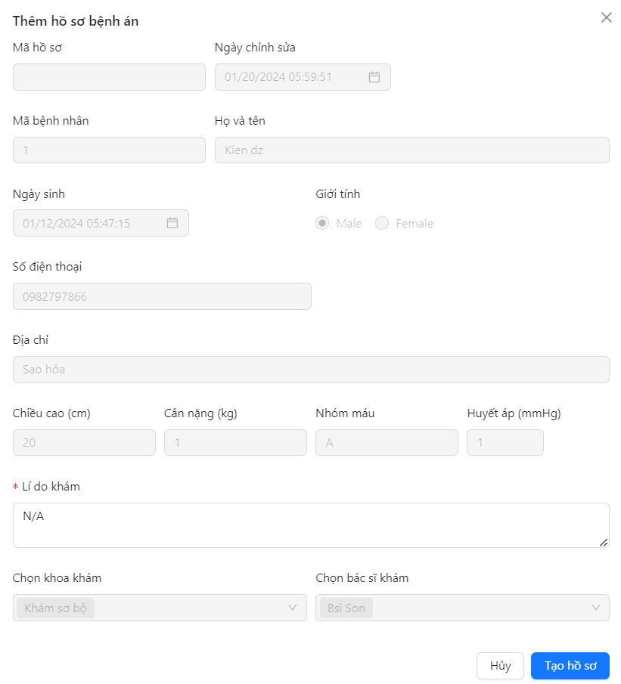 Default UI of Create Medical Record screen is displayed as below: |  | Passed | 2023-11-25 | KienBT | Passed | 31/11/2023 | KienBT | Passed | 2024-01-15 | KienBT
CM2 | Check font size, color of text on the screen | Check font size, color of text on the screen | Font size, color of text is displayed as prototy |  | Passed | 2023-11-25 | KienBT | Passed | 31/11/2023 | KienBT | Passed | 2024-01-15 | KienBT
CM3 | Check behavior of system when pressing "Tab" | Press "Tab" on keyboard | The point is moved from left to right, from up to down on each item |  | Passed | 2023-11-25 | KienBT | Passed | 31/11/2023 | KienBT | Passed | 2024-01-15 | KienBT
CM4 | Check behavior of system when pressing "Shift + Tab" | Press "Shift + Tab" on keyboard | The point is moved from left to right, from up to down on each item |  | Passed | 2023-11-25 | KienBT | Passed | 31/11/2023 | KienBT | Passed | 2024-01-15 | KienBT
CM5 | Check whether patient information in the medical record has been automatically added or not | 1. Login successfully with nurse account 2. Navigate to "Patient List" screen 3. Click on the "Thêm bệnh án" button next to any patient's information | Patient information in the medical record has been automatically added |  | Passed | 2023-11-25 | KienBT | Passed | 31/11/2023 | KienBT | Passed | 2024-01-15 | KienBT
CM6 | Check that the information automatically added to the medical record matches previously added patient information | 1. Login successfully with nurse account 2. Navigate to "Patient List" screen 3. Click on the "Thêm bệnh án" button next to any patient's information | Information is automatically added to the medical record that matches previously added patient information |  | Passed | 2023-11-25 | KienBT | Passed | 31/11/2023 | KienBT | Passed | 2024-01-15 | KienBT
CM7 | Check display default "Lí do khám" field | 1. Login successfully with nurse account 2. Navigate to "Patient List" screen 3. Click on the "Thêm bệnh án" button next to any patient's information | Textbox are display data blank |  | Passed | 2023-11-25 | KienBT | Passed | 31/11/2023 | KienBT | Passed | 2024-01-15 | KienBT
CM8 | Check input "Lí do khám" field by paste data | 1. Login successfully with nurse account 2. Navigate to ""Patient List"" screen 3. Click on the ""Thêm bệnh án"" button next to any patient's information 4. Paste data to "Địa chỉ" field | Data inputted succesfully |  | Passed | 2023-11-25 | KienBT | Passed | 31/11/2023 | KienBT | Passed | 2024-01-15 | KienBT
CM9 | Check display default "Mã hồ sơ" field | 1. Login successfully with nurse account 2. Navigate to "Patient List" screen 3. Click on the "Thêm bệnh án" button next to any patient's information | The medical record ID is automatically generated |  | Passed | 2023-11-25 | KienBT | Passed | 31/11/2023 | KienBT | Passed | 2024-01-15 | KienBT
CM10 | Check display default "Ngày chỉnh sửa" field | 1. Login successfully with nurse account 2. Navigate to "Patient List" screen 3. Click on the "Thêm bệnh án" button next to any patient's information | The edit date displayed is the record date |  | Passed | 2023-11-25 | KienBT | Passed | 31/11/2023 | KienBT | Passed | 2024-01-15 | KienBT
CM11 | Check the information fields entered since adding the patient | 1. Login successfully with nurse account 2. Navigate to "Patient List" screen 3. Click on the "Thêm bệnh án" button next to any patient's information 4. Click on each field and try entering data | Data in those fields cannot be entered or edited |  | Passed | 2023-11-25 | KienBT | Passed | 31/11/2023 | KienBT | Passed | 2024-01-15 | KienBT
CM12 | Check "Chọn khoa khám" field | 1. Login successfully with nurse account 2. Navigate to "Patient List" screen 3. Click on the "Thêm bệnh án" button next to any patient's information | The examination department is designated as "Khám sơ bộ" |  | Passed | 2023-11-25 | KienBT | Passed | 31/11/2023 | KienBT | Passed | 2024-01-15 | KienBT
CM13 | Check "Chọn Bác sĩ khám" field | 1. Login successfully with nurse account 2. Navigate to "Patient List" screen 3. Click on the "Thêm bệnh án" button next to any patient's information | The examining doctor is automatically assigned |  | Passed | 2023-11-25 | KienBT | Passed | 31/11/2023 | KienBT | Passed | 2024-01-15 | KienBT
CM14 | Check when change field information: "Chọn khoa khám" | 1. Login successfully with nurse account 2. Navigate to "Patient List" screen 3. Click on the "Thêm bệnh án" button next to any patient's information 4. Click on "Chọn khoa khám" field and try entering data | Data in that field cannot be entered or edited |  | Passed | 2023-11-25 | KienBT | Passed | 31/11/2023 | KienBT | Passed | 2024-01-15 | KienBT
CM15 | Check when change field information: "Chọn bác sĩ khám" | 1. Login successfully with nurse account 2. Navigate to "Patient List" screen 3. Click on the "Thêm bệnh án" button next to any patient's information 4. Click on "Chọn bác sĩ khám" field and try entering data | Data in that field cannot be entered or edited |  | Passed | 2023-11-25 | KienBT | Passed | 31/11/2023 | KienBT | Passed | 2024-01-15 | KienBT
CM16 | Check when leave "Lí do khám" field blank | 1. Login successfully with nurse account 2. Navigate to "Patient List" screen 3. Click on the "Thêm bệnh án" button next to any patient's information 4. Enter some characters into the "Lí do khám" field and then delete it to leave it blank | Display error message: "Hãy nhập lí do khám" |  | Passed | 2023-11-25 | KienBT | Passed | 31/11/2023 | KienBT | Passed | 2024-01-15 | KienBT
CM17 | Check when leave "Lí do khám" field blank and click "Tạo hồ sơ" button to create medical record | 1. Login successfully with nurse account 2. Navigate to "Patient List" screen 3. Click on the "Thêm bệnh án" button next to any patient's information 4. Leave "Lí do khám" field blank 5. Click on "Tạo hồ sơ" button | Display error message: "Tạo bệnh án thất bại" |  | Passed | 2023-11-25 | KienBT | Passed | 31/11/2023 | KienBT | Passed | 2024-01-15 | KienBT
CM18 | Check when enter enough information into "Lí do khám" field | 1. Login successfully with nurse account 2. Navigate to "Patient List" screen 3. Click on the "Thêm bệnh án" button next to any patient's information 4. Enter data into "Lí do khám" field 5. Click on "Tạo hồ sơ" button | Display message: "Tạo bệnh án thành công" |  | Passed | 2023-11-25 | KienBT | Passed | 31/11/2023 | KienBT | Passed | 2024-01-15 | KienBT
CM19 | Check when create medical record fail | 1. Login successfully with nurse account 2. Navigate to "Patient List" screen 3. Click on the "Thêm bệnh án" button next to any patient's information 4. Leave "Lí do khám" field blank 5. Click on "Tạo hồ sơ" button | Display error message: "Tạo bệnh án thất bại" |  | Passed | 2023-11-25 | KienBT | Passed | 31/11/2023 | KienBT | Passed | 2024-01-15 | KienBT
CM20 | Check when create medical record successfully | 1. Login successfully with nurse account 2. Navigate to "Patient List" screen 3. Click on the "Thêm bệnh án" button next to any patient's information 4. Enter data into "Lí do khám" field 5. Click on "Tạo hồ sơ" button | Display message: "Tạo bệnh án thành công" and redirect to the medical records list page |  | Passed | 2023-11-25 | KienBT | Passed | 31/11/2023 | KienBT | Passed | 2024-01-15 | KienBT

View Medical Record
Feature | View Medical Record
Test requirement | View Medical Record
Number of TCs | 19
Testing Round | Passed | Failed | Pending | N/A
Round 1 | 19 | 0 |  | 0
Round 2 | 19 | 0 |  | 0
Round 3 | 19 | 0 |  | 0

Test Case ID | Test Case Description | Test Case Procedure | Expected Results | Pre-conditions | Round 1 | Test date | Tester | Round 2 | Test date | Tester | Round 3 | Test date | Tester | Note
Check UI
VMR1 | Check default UI of View Medical Record | 1. Login successfully with nurse account 2. Navigate to "Patient List" screen 3. Click on "Danh sách khám" button next to information of a patient 4. Click on "Xem hồ sơ" | 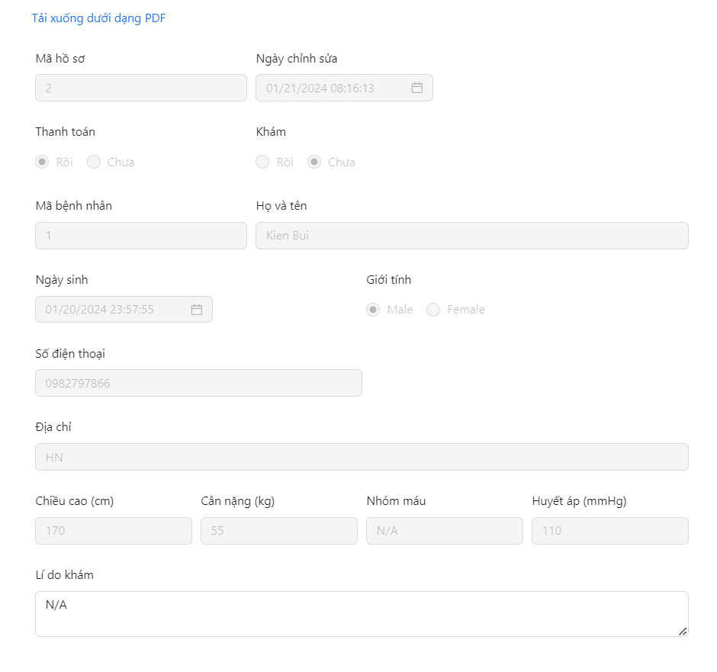 Default UI of View Medical Record screen is displayed as below: |  | Passed | 2023-11-25 | KienBT | Passed | 31/11/2023 | KienBT | Passed | 2024-01-15 | KienBT
VMR2 | Check font size, color of text on the screen | Check font size, color of text on the screen | Font size, color of text is displayed as prototy |  | Passed | 2023-11-25 | KienBT | Passed | 31/11/2023 | KienBT | Passed | 2024-01-15 | KienBT
VMR3 | Check behavior of system when pressing "Tab" | Press "Tab" on keyboard | The point is moved from left to right, from up to down on each item |  | Passed | 2023-11-25 | KienBT | Passed | 31/11/2023 | KienBT | Passed | 2024-01-15 | KienBT
VMR4 | Check behavior of system when pressing "Shift + Tab" | Press "Shift + Tab" on keyboard | The point is moved from left to right, from up to down on each item |  | Passed | 2023-11-25 | KienBT | Passed | 31/11/2023 | KienBT | Passed | 2024-01-15 | KienBT
VMR5 | Check when dowload as pdf file | 1. Login successfully with nurse account 2. Navigate to "Patient List" screen 3. Click on "Danh sách khám" button next to information of a patient 4. Click on "Xem hồ sơ" 5. Click on "Tải xuống dưới dạng pdf" | Dowload as pdf file successfully |  | Passed | 2023-11-25 | KienBT | Passed | 31/11/2023 | KienBT | Passed | 2024-01-15 | KienBT
VMR6 | Check the information fields | 1. Login successfully with nurse account 2. Navigate to "Patient List" screen 3. Click on "Danh sách khám" button next to information of a patient 4. Click on "Xem hồ sơ" 5. Click on each field and try entering data | Data in those fields cannot be entered or edited |  | Passed | 2023-11-25 | KienBT | Passed | 31/11/2023 | KienBT | Passed | 2024-01-15 | KienBT
VMR7 | Check display default "Mã hồ sơ" field | "1. Login successfully with nurse account 2. Navigate to "Patient List" screen 3. Click on "Danh sách khám" button next to information of a patient 4. Click on "Xem hồ sơ" | "Mã hồ sơ" field is display with data |  | Passed | 2023-11-25 | KienBT | Passed | 31/11/2023 | KienBT | Passed | 2023-12-01 | KienBT
VMR8 | Check display default "Ngày chỉnh sửa" field | "1. Login successfully with nurse account 2. Navigate to "Patient List" screen 3. Click on "Danh sách khám" button next to information of a patient 4. Click on "Xem hồ sơ" | "Ngày chỉnh sửa" field is display with data |  | Passed | 2023-11-25 | KienBT | Passed | 31/11/2023 | KienBT | Passed | 2023-12-01 | KienBT
VMR9 | Check display default "Mã bệnh nhân" field | "1. Login successfully with nurse account 2. Navigate to "Patient List" screen 3. Click on "Danh sách khám" button next to information of a patient 4. Click on "Xem hồ sơ" | "Mã bệnh nhân" field is display with data |  | Passed | 2023-11-25 | KienBT | Passed | 31/11/2023 | KienBT | Passed | 2023-12-01 | KienBT
VMR10 | Check display default "Họ và tên" field | "1. Login successfully with nurse account 2. Navigate to "Patient List" screen 3. Click on "Danh sách khám" button next to information of a patient 4. Click on "Xem hồ sơ" | "Họ và tên" field is display with data |  | Passed | 2023-11-25 | KienBT | Passed | 31/11/2023 | KienBT | Passed | 2023-12-01 | KienBT
VMR11 | Check display default "Ngày sinh" field | "1. Login successfully with nurse account 2. Navigate to "Patient List" screen 3. Click on "Danh sách khám" button next to information of a patient 4. Click on "Xem hồ sơ" | "Ngày sinh" field is display with data |  | Passed | 2023-11-25 | KienBT | Passed | 31/11/2023 | KienBT | Passed | 2023-12-01 | KienBT
VMR12 | Check display default "Mã hồ sơ" field | "1. Login successfully with nurse account 2. Navigate to "Patient List" screen 3. Click on "Danh sách khám" button next to information of a patient 4. Click on "Xem hồ sơ" | "Mã hồ sơ" field is display with data |  | Passed | 2023-11-25 | KienBT | Passed | 31/11/2023 | KienBT | Passed | 2023-12-01 | KienBT
VMR13 | Check display default "Số điện thoại" field | "1. Login successfully with nurse account 2. Navigate to "Patient List" screen 3. Click on "Danh sách khám" button next to information of a patient 4. Click on "Xem hồ sơ" | "Số điện thoại" field is display with data |  | Passed | 2023-11-25 | KienBT | Passed | 31/11/2023 | KienBT | Passed | 2023-12-01 | KienBT
VMR14 | Check display default "Địa chỉ" field | "1. Login successfully with nurse account 2. Navigate to "Patient List" screen 3. Click on "Danh sách khám" button next to information of a patient 4. Click on "Xem hồ sơ" | "Địa chỉ" field is display with data |  | Passed | 2023-11-25 | KienBT | Passed | 31/11/2023 | KienBT | Passed | 2023-12-01 | KienBT
VMR15 | Check display default "Chiều cao" field | "1. Login successfully with nurse account 2. Navigate to "Patient List" screen 3. Click on "Danh sách khám" button next to information of a patient 4. Click on "Xem hồ sơ" | "Chiều cao" field is display with data |  | Passed | 2023-11-25 | KienBT | Passed | 31/11/2023 | KienBT | Passed | 2023-12-01 | KienBT
VMR16 | Check display default "Cân nặng" field | "1. Login successfully with nurse account 2. Navigate to "Patient List" screen 3. Click on "Danh sách khám" button next to information of a patient 4. Click on "Xem hồ sơ" | "Cân nặng" field is display with data |  | Passed | 2023-11-25 | KienBT | Passed | 31/11/2023 | KienBT | Passed | 2023-12-01 | KienBT
VMR17 | Check display default "Nhóm máu" field | "1. Login successfully with nurse account 2. Navigate to "Patient List" screen 3. Click on "Danh sách khám" button next to information of a patient 4. Click on "Xem hồ sơ" | "Nhóm máu" field is display with data |  | Passed | 2023-11-25 | KienBT | Passed | 31/11/2023 | KienBT | Passed | 2023-12-01 | KienBT
VMR18 | Check display default "Huyết áp" field | "1. Login successfully with nurse account 2. Navigate to "Patient List" screen 3. Click on "Danh sách khám" button next to information of a patient 4. Click on "Xem hồ sơ" | "Huyết áp" field is display with data |  | Passed | 2023-11-25 | KienBT | Passed | 31/11/2023 | KienBT | Passed | 2023-12-01 | KienBT
VMR19 | Check display default "Lí do khám" field | "1. Login successfully with nurse account 2. Navigate to "Patient List" screen 3. Click on "Danh sách khám" button next to information of a patient 4. Click on "Xem hồ sơ" | "Lí do khám" field is display with data |  | Passed | 2023-11-25 | KienBT | Passed | 31/11/2023 | KienBT | Passed | 2023-12-01 | KienBT

View Prescription
Feature | View Prescription
Test requirement | View Prescription
Number of TCs | 6
Testing Round | Passed | Failed | Pending | N/A
Round 1 | 6 | 0 |  | 0
Round 2 | 6 | 0 |  | 0
Round 3 | 6 | 0 |  | 0

Test Case ID | Test Case Description | Test Case Procedure | Expected Results | Pre-conditions | Round 1 | Test date | Tester | Round 2 | Test date | Tester | Round 3 | Test date | Tester | Note
VP1 | Check default UI of View Medical Record | 1. Login successfully with nurse account 2. Navigate to "Patient List" screen 3. Click on "Danh sách khám" button next to information of a patient 4. Click on "Đơn thuốc" | 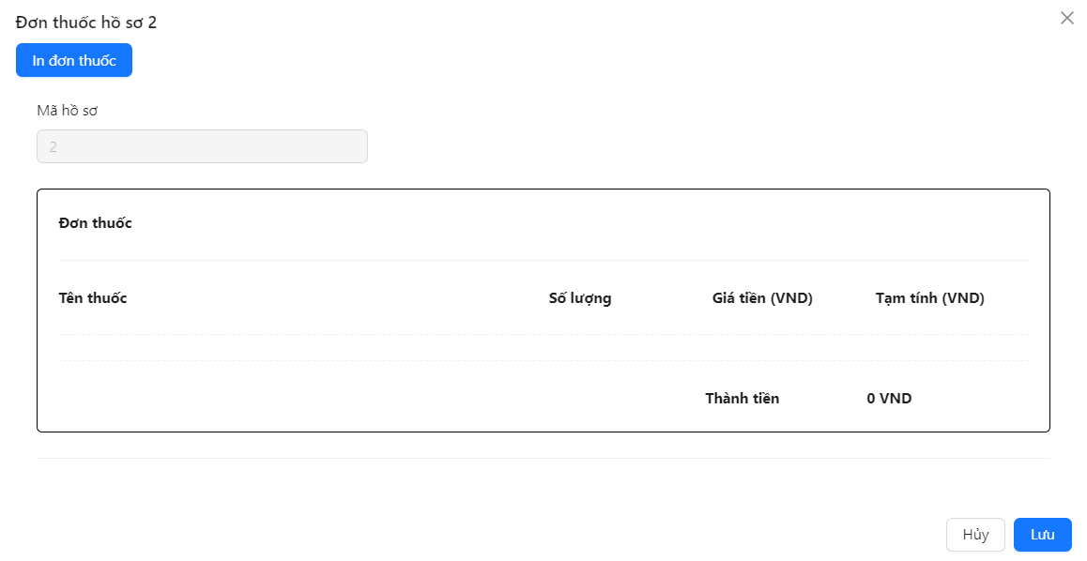 Default UI of View Medical Record screen is displayed as below: |  | Passed | 2023-11-25 | KienBT | Passed | 31/11/2023 | KienBT | Passed | 2024-01-15 | KienBT
VP2 | Check font size, color of text on the screen | Check font size, color of text on the screen | Font size, color of text is displayed as prototy |  | Passed | 2023-11-25 | KienBT | Passed | 31/11/2023 | KienBT | Passed | 2024-01-15 | KienBT
VP3 | Check behavior of system when pressing "Tab" | Press "Tab" on keyboard | The point is moved from left to right, from up to down on each item |  | Passed | 2023-11-25 | KienBT | Passed | 31/11/2023 | KienBT | Passed | 2024-01-15 | KienBT
VP4 | Check behavior of system when pressing "Shift + Tab" | Press "Shift + Tab" on keyboard | The point is moved from left to right, from up to down on each item |  | Passed | 2023-11-25 | KienBT | Passed | 31/11/2023 | KienBT | Passed | 2024-01-15 | KienBT
VP5 | Check display default "Mã hồ sơ" field | "1. Login successfully with nurse account 2. Navigate to "Patient List" screen 3. Click on "Danh sách khám" button next to information of a patient 4. Click on "Đơn thuốc" | "Mã hồ sơ" field is display with data |  | Passed | 2023-11-25 | KienBT | Passed | 31/11/2023 | KienBT | Passed | 2023-12-01 | KienBT
VP6 | Check when dowload as pdf file | 1. Login successfully with nurse account 2. Navigate to "Patient List" screen 3. Click on "Danh sách khám" button next to information of a patient 4. Click on "Đơn thuốc" 5. Click on "In đơn thuốc" | Dowload as pdf file successfully |  | Passed | 2023-11-25 | KienBT | Passed | 31/11/2023 | KienBT | Passed | 2024-01-15 | KienBT

